Figure 5b
 | observed triple association | Association by chance

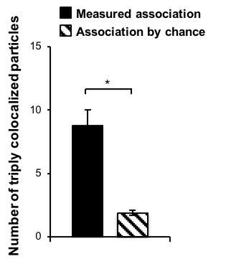
Cell 1 | 16 | 2.5171587431
Cell 2 | 18 | 2.7461575853
Cell 3 | 14 | 2.1899906576
Cell 4 | 8 | 2.9594270978
Cell 5 | 3 | 2.2400885741
Cell 6 | 13 | 1.3053499433
Cell 7 | 8 | 0.57093225192
Cell 8 | 11 | 0.53615115132
Cell 9 | 6 | 0.9628518167
Cell 10 | 6 | 2.1575096354
Cell 11 | 0 | 1.5115900084
Cell 12 | 4 | 2.0313181201
Cell 13 | 7 | 2.6779298079

Mean | 8.7692307692 | 1.8774196456
SD | 4.3313609467 | 0.69234200868
SEM | 1.2503562043 | 0.19986192254

 | P=0,00047

Bonferroni | P=0,0038 | 0.05
 | P=0,00038 | 0.005
 | P=0,000077 | 0.001

